Task Analysis Graphs
Task Analysis Graphs
Summary (5 Tasks)
Steps | 37 | 20.2
T_Visibility | 22.60% | 11.30%
E_Efficiency | 41.58% | 77.69%
Efficiency | 32.09% | 44.50%
Efficiency Increase |  | 38.66%
All Tasks | Current [Account] | Recommended | Increase - Efficiency Current to Recommended
 | 32% | 44% | 38.7%

Start Interaction | Current [Account] | Recommended | Increase - Efficiency Current to Recommended | Change Rate Plan | Current [Account] | Recommended | Increase - Efficiency Current to Recommended
 | 41% | 56% | 37.5% |  | 58% | 67% | 16.0%

Post Call Notification | Current [Account] | Recommended | Increase - Efficiency Current to Recommended | Review Billing Information | Current [Account] | Recommended | Increase - Efficiency Current to Recommended
 | 40% | 66% | 63.6% |  | 63% | 70% | 10.6%

Service Outage in Customer Area | Current [Account] | Recommended | Increase - Efficiency Current to Recommended
 | 52% | 67% | 28.3%

Appendix
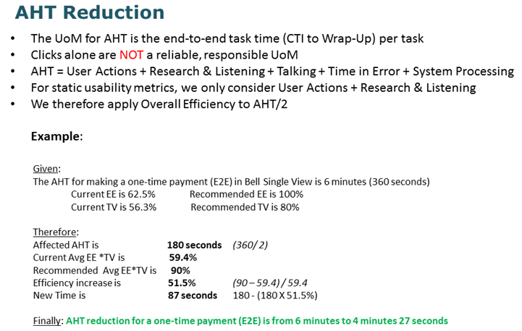
Measurements & Metrics
Taskflow Analysis
Essential Efficiency (EE) Enacted Steps or discrete actions (conceptual units of interaction)
* Entering data into one field
* Skipping over an unneeded field
* Selecting a field, object, or group of items (click, double-click, drag, gesture, etc.)
* Selecting a field with a keystroke
* Switching from keyboard to pointing device and vice versa
* Triggering an action
* Selecting from a menu or menu item
* Shortcut key or action via menu
* Dragging & dropping

Task Visibility (TV) ** Visibility Rules (from 0 to 1)
* Hidden = 0 (Entering a shortcut in the absence of a visual prompt or cue; Choice is neither obvious nor evident based on visible information
* Suspending = 0 (Switching to another page; Launching another application, window, page, etc.)
* Exposing = 0.5 (Dropdown; Menu; Right-Click; Popup; Drill-down; Opening Tool/Palette/Toolbox; Switching to another part of the screen/page like a tab)
* Direct = 1 ( Direct Action, where choice is evident)

Usability Metrics
Essential Efficiency (EE) – measures the efficiency of user steps (intention/action) of a use case or task as a ratio of the essential length (simplest, most straightforward interaction) to the actual enacted length*.
Task Visibility (TV) – measures the fit between the visibility of features and the capabilities needed to complete a given task or set of tasks. Use Interfaces should show users exactly what they need to knowor need to use to be able to complete a given task.
 | Where, Vi = feature visibility** (0 to 1) of enacted step i Stotal = total number of enacted steps to complete a use case
Software Usability Scale (SUS) a.k.a. Subjective Usability Scores
Scoring SUS SUS yields a single number representing a composite measure of the overall usability of the system being studied. Note that scores for individual items are not meaningful on their own. To calculate the SUS score, first sum the score contributions from each item. Each item's score contribution will range from 0 to 4. For items 1,3,5,7,and 9 the score contribution is the scale position minus 1. For items 2,4,6,8 and 10, the contribution is 5 minus the scale position. Multiply the sum of the scores by 2.5 to obtain the overall value of SU. SUS scores have a range of 0 to 100.

